Лист1
Bug-reports
ID | BR9851 | BR9852 | BR9853 | BR9854 | BR9855 | BR9856
Summary | The button "Log In" is labeled "S'Identifier" in all languages except English | Localization resets to English after clicking 'S'Identifier' on Log In page. | Spelling error in "Both" on Login error message. | Invalid credentials allow login after returning from home page. | Missing contact.css on the main page | Missing css_reset.css on the main page
Pre-conditions | Open the website using the URL:http://testingchallenges.thetestingmap.org/login/login.php | Open the website using the URL:http://testingchallenges.thetestingmap.org/login/login.php | Open the website using the URL:http://testingchallenges.thetestingmap.org/login/login.php | Open the website using the URL:http://testingchallenges.thetestingmap.org/login/login.php | Open the website using the URL:http://testingchallenges.thetestingmap.org/login/login.php | Open the website using the URL:http://testingchallenges.thetestingmap.org/login/login.php
 |  | Leave the fields for login and password empty |  | The database of users has at least one valid user | The User database contains at least one valid user | The User database contains at least one valid user
Steps to reproduce | 1. Click on the French language in the breadcrumbs under the button "Log In" | 1.1 Click on the French language in the breadcrumbs below the "Log In" button | 1. Enter the name "Roman" in the Username field | 1. Enter credentials of the test user: Username: Roman, password: 1234 | 1. Enter credentials of the test user: Username: Roman, password: 1234 | 1. Enter credentials of the test user: Username: Roman, password: 1234
 | 2. Click on the Italian language in the breadcrumbs under the button "S'Identifier" | 1.2 Click on the Italian language in the breadcrumbs below the "Log In" button | 2. Leave the password field empty | 2. Click the "Log In" button | 3. Click the "Log In" button | 4. Click the "Log In" button
 | 3. Click on the German language in the breadcrumbs under the button "S'Identifier" | 1.3 Click on the German language in the breadcrumbs below the "Log In" button | 3. Click on the "Log In" button | 3. Return from the main page to the login page by using the browser's Back button | 3. Open DevTools menu | 4. Open DevTools menu
 |  | 2. Click on the "S'Identifier" button |  | 4. Enter any credentials that aren't present in the users database, e.g.: Username: 0p9o8i, password:1q2w3e | 4. Click on the Console tab | 5. Click on the Console tab

Expected result | The 'Log In' button keeps its name regardless of the selected language | The language of the page stays similar | The error message is shown without spelling mistakes | The error message is shown that the user is not found | File contact.css is loaded successfully | File css_reset.css is loaded successfully
Actual result | In all languages except English, the "Log In" button is called "S'Identifier" | The language of the page is set to the default, which is English. | The error message contains spelling error | Log in successful | There is a 404 error. Contact.css is not found | There is a 404 error. css_reset.css is not found
Post-conditions
Environment | Opera Air Stable 120.0.5543.110, Google Chrome Version: 139.0.7258.67 (Official build) (64 bit), Microsoft Edge Version 139.0.3405.86 (Official Build) (64-bit) | Opera Air Stable 120.0.5543.110, Google Chrome Version: 139.0.7258.67 (Official build) (64 bit), Microsoft Edge Version 139.0.3405.86 (Official Build) (65-bit) | Opera Air Stable 120.0.5543.110, Google Chrome Version: 139.0.7258.67 (Official build) (64 bit), Microsoft Edge Version 139.0.3405.86 (Official Build) (66-bit) | Opera Air Stable 120.0.5543.110, Google Chrome Version: 139.0.7258.67 (Official build) (64 bit), Microsoft Edge Version 139.0.3405.86 (Official Build) (67-bit) | Opera Air Stable 120.0.5543.110, Google Chrome Version: 139.0.7258.67 (Official build) (64 bit), Microsoft Edge Version 139.0.3405.86 (Official Build) (68-bit) | Opera Air Stable 120.0.5543.110, Google Chrome Version: 139.0.7258.67 (Official build) (64 bit), Microsoft Edge Version 139.0.3405.86 (Official Build) (69-bit)
Severity | Low | Low | Low | Critical | Major | Major
Priority | Low | Low | Low | High | High | High
Type of bug | Localization | Localization | Localization | Functionality | UI | UI
Attchment |  | 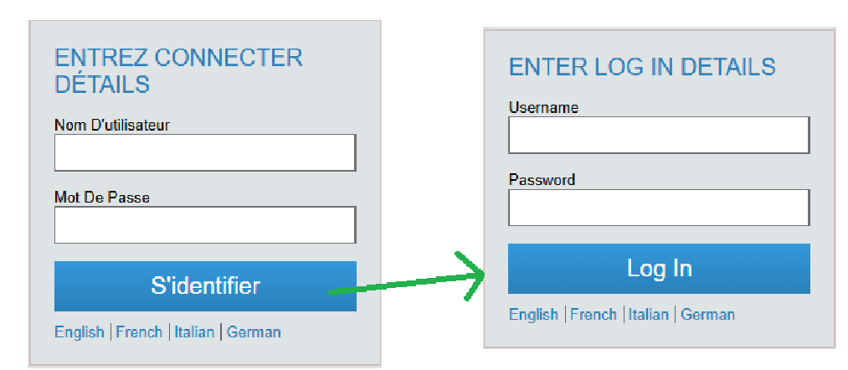 |  | 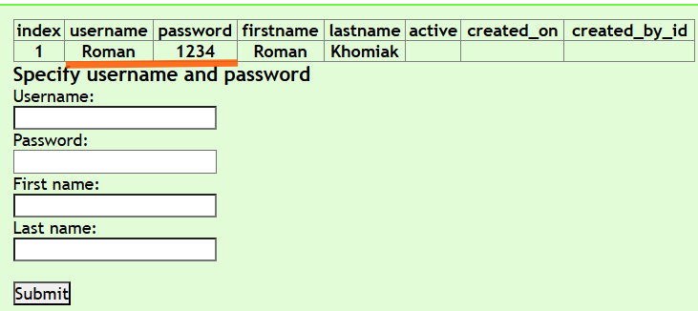 |  | 
 |  |  |  | 
 |  |  |  | 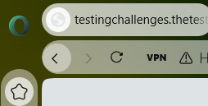
 |  |  |  | 

